Charts
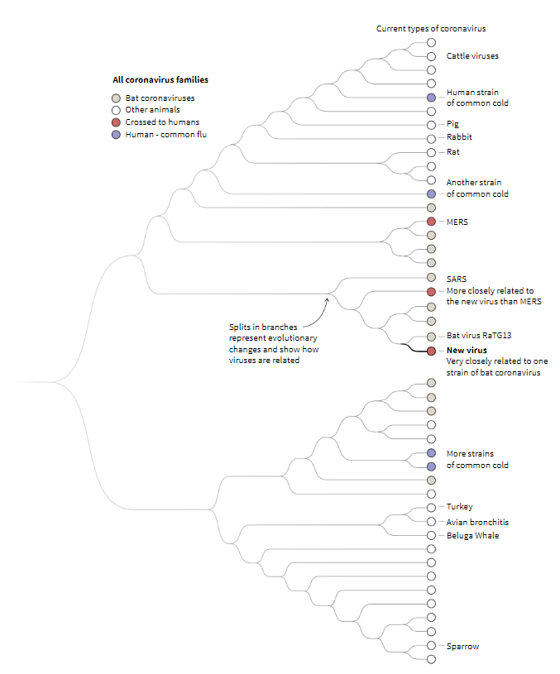
GRAPHING THE VIRUS

Cumulative Confirmed Cases Linear Scale
 | TOTAL CASES
21-Jan-20 | 282
22-Jan-20 | 314
23-Jan-20 | 581
24-Jan-20 | 841
25-Jan-20 | 1,320
26-Jan-20 | 2,014
27-Jan-20 | 2,798
28-Jan-20 | 4,593
29-Jan-20 | 6,065
30-Jan-20 | 7,818
31-Jan-20 | 9,826
1-Feb-20 | 11,953
2-Feb-20 | 14,557
3-Feb-20 | 17,391
4-Feb-20 | 20,630
5-Feb-20 | 24,554
6-Feb-20 | 28,276
7-Feb-20 | 31,481
8-Feb-20 | 34,886
9-Feb-20 | 37,558
10-Feb-20 | 40,554
11-Feb-20 | 43,103
12-Feb-20 | 45,171
13-Feb-20 | 46,997
14-Feb-20 | 49,053
15-Feb-20 | 50,580
16-Feb-20 | 51,857
17-Feb-20 | 71,429
18-Feb-20 | 73,332
19-Feb-20 | 75,204
20-Feb-20 | 75,748
21-Feb-20 | 76,769
22-Feb-20 | 77,794
23-Feb-20 | 78,811
24-Feb-20 | 79,331
25-Feb-20 | 80,239
26-Feb-20 | 81,109
27-Feb-20 | 82,294
28-Feb-20 | 83,652
29-Feb-20 | 85,403
1-Mar-20 | 87,137
2-Mar-20 | 88,948
3-Mar-20 | 90,869
4-Mar-20 | 93,091
5-Mar-20 | 95,324
6-Mar-20 | 98,192
7-Mar-20 | 101,927
8-Mar-20 | 105,586
9-Mar-20 | 109,577
10-Mar-20 | 113,702
...
Number of Countries with Confirmed Cases
 | Countries Infected
Country | 4
21-Jan-20 | 5
22-Jan-20 | 7
23-Jan-20 | 10
24-Jan-20 | 11
25-Jan-20 | 12
26-Jan-20 | 15
27-Jan-20 | 16
28-Jan-20 | 19
29-Jan-20 | 20
30-Jan-20 | 24
31-Jan-20 | 24
1-Feb-20 | 24
2-Feb-20 | 24
3-Feb-20 | 25
4-Feb-20 | 25
5-Feb-20 | 25
6-Feb-20 | 25
7-Feb-20 | 25
8-Feb-20 | 25
9-Feb-20 | 25
10-Feb-20 | 25
11-Feb-20 | 25
12-Feb-20 | 25
13-Feb-20 | 26
14-Feb-20 | 26
15-Feb-20 | 26
16-Feb-20 | 26
17-Feb-20 | 26
18-Feb-20 | 27
19-Feb-20 | 27
20-Feb-20 | 29
21-Feb-20 | 29
22-Feb-20 | 30
23-Feb-20 | 34
24-Feb-20 | 38
25-Feb-20 | 47
26-Feb-20 | 52
27-Feb-20 | 54
28-Feb-20 | 59
29-Feb-20 | 65
1-Mar-20 | 73
2-Mar-20 | 77
3-Mar-20 | 85
4-Mar-20 | 89
5-Mar-20 | 94
6-Mar-20 | 102
7-Mar-20 | 105
8-Mar-20 | 110
9-Mar-20 | 114
...

Cumulative Confirmed Cases Logarithmic Scale
 | TOTAL CASES
21-Jan-20 | 282
22-Jan-20 | 314
23-Jan-20 | 581
24-Jan-20 | 841
25-Jan-20 | 1,320
26-Jan-20 | 2,014
27-Jan-20 | 2,798
28-Jan-20 | 4,593
29-Jan-20 | 6,065
30-Jan-20 | 7,818
31-Jan-20 | 9,826
1-Feb-20 | 11,953
2-Feb-20 | 14,557
3-Feb-20 | 17,391
4-Feb-20 | 20,630
5-Feb-20 | 24,554
6-Feb-20 | 28,276
7-Feb-20 | 31,481
8-Feb-20 | 34,886
9-Feb-20 | 37,558
10-Feb-20 | 40,554
11-Feb-20 | 43,103
12-Feb-20 | 45,171
13-Feb-20 | 46,997
14-Feb-20 | 49,053
15-Feb-20 | 50,580
16-Feb-20 | 51,857
17-Feb-20 | 71,429
18-Feb-20 | 73,332
19-Feb-20 | 75,204
20-Feb-20 | 75,748
21-Feb-20 | 76,769
22-Feb-20 | 77,794
23-Feb-20 | 78,811
24-Feb-20 | 79,331
25-Feb-20 | 80,239
26-Feb-20 | 81,109
27-Feb-20 | 82,294
28-Feb-20 | 83,652
29-Feb-20 | 85,403
1-Mar-20 | 87,137
2-Mar-20 | 88,948
3-Mar-20 | 90,869
4-Mar-20 | 93,091
5-Mar-20 | 95,324
6-Mar-20 | 98,192
7-Mar-20 | 101,927
8-Mar-20 | 105,586
9-Mar-20 | 109,577
10-Mar-20 | 113,702
...
US Infection Trajectory Compared To Other Nations Log Scale - Growth of outbreaks after 100th confirmed case
 | China | Italy | S. Korea | France | Germany | USA
0 | 278 | 124 | 104 | 100 | 129 | 108
1 | 310 | 229 | 204 | 100 | 157 | 129
2 | 574 | 322 | 346 | 191 | 196 | 148
3 | 830 | 400 | 602 | 212 | 262 | 213
4 | 1297 | 650 | 763 | 282 | 534 | 213
5 | 1985 | 888 | 977 | 420 | 639 | 213
6 | 2761 | 1128 | 1261 | 613 | 795 | 472
7 | 4537 | 1689 | 1766 | 706 | 1112 | 696
8 | 5997 | 2036 | 2337 | 1116 | 1139 | 987
9 | 7736 | 2502 | 3150 | 1402 | 1296 | 1264
10 | 9720 | 3089 | 3736 | 1774 | 1567 | 1678
11 | 11821 | 3858 | 4212 | 2269 | 2369 | 1678
12 | 14411 | 4636 | 4812 | 2860 | 3062 | 1678
13 | 17238 | 5883 | 5328 | 3640 | 3795 | 3503
14 | 20471 | 7375 | 5766 | 4469 | 4838 | 3536
15 | 24363 | 9172 | 6284 | 5380 | 6012 | 7087
16 | 28060 | 10149 | 6767 | 6573 | 7156 | 10442
17 | 31211 | 12462 | 7134 | 7652 | 8198 | 15219
18 | 34598 | 15113 | 7382 | 9043 | 10999 | 15219
19 | 37251 | 17660 | 7513 | 10877 | 18323 | 31573
20 | 40235 | 21157 | 7755 | 12475 | 21463 | 42164
21 | 42708 | 24747 | 7869 | 14296 | 24774 | 51914
22 | 44730 | 27980 | 7979 | 15821 | 29212 | 63570
23 | 46550 | 31506 | 8086 | 19615 | 31554 | 68334
24 | 48548 | 35713 | 8162 | 22025 | 36508
25 | 50054 | 41035 | 8236 | 24920 | 42288
26 | 51174 | 47021 | 8320 | 28786
27 | 70635 |  | 8320
28 | 72528 |  | 8413
29 | 74280 |  | 8652
30 | 74675 |  | 8799
31 | 75569
32 | 76392
33 | 77042
34 | 77262
35 | 77780
36 | 78191
37 | 78630
38 | 78961
39 | 79394
40 | 79968
41 | 80174
42 | 80304
43 | 80422
44 | 80565
45 | 80711
46 | 80813
47 | 80859
48 | 80904
49 | 80924
...

 | * Each step on a fixed distance corresponds to multiplying by a certain factor.
 | * On this scale, the exponential should look like a straight line. How many days to cross each line on the graph?
Daily COVID-19 Cases Cases: China vs. Rest of the World
 | China | Outside China
22-Jan-20 | 32 | -
23-Jan-20 | 264 | 3
24-Jan-20 | 256 | 9
25-Jan-20 | 467 | 7
26-Jan-20 | 688 | 6
27-Jan-20 | 776 | 8
28-Jan-20 | 1,776 | 19
29-Jan-20 | 1,460 | 12
30-Jan-20 | 1,739 | 14
31-Jan-20 | 1,984 | 24
1-Feb-20 | 2,101 | 26
2-Feb-20 | 2,590 | 14
3-Feb-20 | 2,827 | 7
4-Feb-20 | 3,233 | 6
5-Feb-20 | 3,892 | 32
6-Feb-20 | 3,697 | 25
7-Feb-20 | 3,151 | 54
8-Feb-20 | 3,387 | 18
9-Feb-20 | 2,653 | 19
10-Feb-20 | 2,984 | 12
11-Feb-20 | 2,473 | 76
12-Feb-20 | 2,022 | 46
13-Feb-20 | 1,820 | 6
14-Feb-20 | 1,998 | 58
15-Feb-20 | 1,506 | 21
16-Feb-20 | 1,120 | 157
17-Feb-20 | 19,461 | 111
18-Feb-20 | 1,893 | 10
19-Feb-20 | 1,752 | 120
20-Feb-20 | 395 | 149
21-Feb-20 | 894 | 127
22-Feb-20 | 823 | 202
23-Feb-20 | 650 | 367
24-Feb-20 | 220 | 300
25-Feb-20 | 518 | 390
26-Feb-20 | 411 | 459
27-Feb-20 | 439 | 746
28-Feb-20 | 331 | 1,027
29-Feb-20 | 433 | 1,318
1-Mar-20 | 574 | 1,160
2-Mar-20 | 206 | 1,605
3-Mar-20 | 130 | 1,791
4-Mar-20 | 118 | 2,104
5-Mar-20 | 143 | 2,090
6-Mar-20 | 146 | 2,722
7-Mar-20 | 102 | 3,633
8-Mar-20 | 46 | 3,613
9-Mar-20 | 45 | 3,946
10-Mar-20 | 20 | 4,105
11-Mar-20 | 31 | 4,586
...
Total New Daily Cases & % Daily Increases Rest of the World
 | Outside China | Outside (% Daily Increase)
22-Jan-20 | -
23-Jan-20 | 3 | 43%
24-Jan-20 | 9 | 82%
25-Jan-20 | 7 | 30%
26-Jan-20 | 6 | 21%
27-Jan-20 | 8 | 22%
28-Jan-20 | 19 | 34%
29-Jan-20 | 12 | 18%
30-Jan-20 | 14 | 17%
31-Jan-20 | 24 | 23%
1-Feb-20 | 26 | 20%
2-Feb-20 | 14 | 10%
3-Feb-20 | 7 | 5%
4-Feb-20 | 6 | 4%
5-Feb-20 | 32 | 17%
6-Feb-20 | 25 | 12%
7-Feb-20 | 54 | 20%
8-Feb-20 | 18 | 6%
9-Feb-20 | 19 | 6%
10-Feb-20 | 12 | 4%
11-Feb-20 | 76 | 19%
12-Feb-20 | 46 | 10%
13-Feb-20 | 6 | 1%
14-Feb-20 | 58 | 11%
15-Feb-20 | 21 | 4%
16-Feb-20 | 157 | 23%
17-Feb-20 | 111 | 14%
18-Feb-20 | 10 | 1%
19-Feb-20 | 120 | 13%
20-Feb-20 | 149 | 14%
21-Feb-20 | 127 | 11%
22-Feb-20 | 202 | 14%
23-Feb-20 | 367 | 21%
24-Feb-20 | 300 | 14%
25-Feb-20 | 390 | 16%
26-Feb-20 | 459 | 16%
27-Feb-20 | 746 | 20%
28-Feb-20 | 1,027 | 22%
29-Feb-20 | 1,318 | 22%
1-Mar-20 | 1,160 | 16%
2-Mar-20 | 1,605 | 18%
3-Mar-20 | 1,791 | 17%
4-Mar-20 | 2,104 | 17%
5-Mar-20 | 2,090 | 14%
6-Mar-20 | 2,722 | 16%
7-Mar-20 | 3,633 | 17%
8-Mar-20 | 3,613 | 15%
9-Mar-20 | 3,946 | 14%
10-Mar-20 | 4,105 | 13%
11-Mar-20 | 4,586 | 12%
...

Growth Factor of New Cases All Countries
 | Growth Factor
23-Jan-20 | 8.34x
24-Jan-20 | 0.99x
25-Jan-20 | 1.79x
26-Jan-20 | 1.46x
27-Jan-20 | 1.13x
28-Jan-20 | 2.29x
29-Jan-20 | 0.82x
30-Jan-20 | 1.19x
31-Jan-20 | 1.15x
1-Feb-20 | 1.06x
2-Feb-20 | 1.22x
3-Feb-20 | 1.09x
4-Feb-20 | 1.14x
5-Feb-20 | 1.21x
6-Feb-20 | 0.95x
7-Feb-20 | 0.86x
8-Feb-20 | 1.06x
9-Feb-20 | 0.78x
10-Feb-20 | 1.12x
11-Feb-20 | 0.85x
12-Feb-20 | 0.81x
13-Feb-20 | 0.88x
14-Feb-20 | 1.13x
15-Feb-20 | 0.74x
16-Feb-20 | 0.84x
17-Feb-20 | 15.33x
18-Feb-20 | 0.10x
19-Feb-20 | 0.98x
20-Feb-20 | 0.29x
21-Feb-20 | 1.88x
22-Feb-20 | 1.00x
23-Feb-20 | 0.99x
24-Feb-20 | 0.51x
25-Feb-20 | 1.75x
26-Feb-20 | 0.96x
27-Feb-20 | 1.36x
28-Feb-20 | 1.15x
29-Feb-20 | 1.29x
1-Mar-20 | 0.99x
2-Mar-20 | 1.04x
3-Mar-20 | 1.06x
4-Mar-20 | 1.16x
5-Mar-20 | 1.00x
6-Mar-20 | 1.28x
7-Mar-20 | 1.30x
8-Mar-20 | 0.98x
9-Mar-20 | 1.09x
10-Mar-20 | 1.03x
11-Mar-20 | 1.12x
12-Mar-20 | 1.50x
...

